Input Fields
INPUT FIELDS - Input the detailed information needed to generate a sizing proposal |  |  |  |  |  |  |  |  |  |  |  |  | OUTCOME - Solution calculated based on the data provided on the input fields.

Including AHB
Excluding AHB
SPLA Scenario
Export to PPT
 | Azure VMware Solution - license calculator
 |  |  |  |  |  |  |  |  |  |  |  |  |  |  |  |  |  |  |  | Ratio |  | SQL Enterprise
 | Details | INPUT 1 |  |  |  |  |  |  |  |  |  |  |  |  |  |  |  |  |  | 1:1 |  | Unlimited Virtualization
 | Type of node | AV36P |  |  |  |  |  |  |  |  |  |  |  | Count | Sum | Cores SQL | Win Srv Std Cores | WinStd 2coreLic | WinDC 2coreLic | SQLStd 2coreLic |  | SQLEnt 2coreLic | AVS AV36P RI3 | Until Dec 31 2022 | Calculate discount
Hide Calculations
 | ANF Storage | AVS Only |  |  |  |  |  |  |  |  |  |  |  | Nodes | phys. Cores | (min 4 vCPUs per VM) | All-up | € 51.00 | € 290.28 | € 1,487.04 |  | € 5,702.40 | € 3,971.92 | PROMO (Max 3yr) | for year 4 + 5
 | PAYG Discount for ANF | 0% |  |  |  |  |  |  |  |  |  |  |  | 14 | 504 | 110 | 40 | € 1,020.00 | € 26,125.20 | € 81,787.20 |  | € 102,643.20 | € 667,282.00 | 0% | YES
 | Amount of cores | 36 |  |  |  |  |  |  |  |  |  |  |  |  |  |  |  |  |  | Ratio
 | estimated Deduplication Factor | 1.5 |  |  |  |  |  |  |  |  |  |  |  |  |  |  |  |  |  | 1:2
 | Storage Policy | FTT=2, Erasure Coding |  |  |  |  |  |  |  |  |  |  |  |  |  |  |  |  |  | SQLStd 2coreLic | (using concession 2294)
 | Overcommit Ratio of CPU (x:1) | 4.00 |  |  |  |  |  |  |  |  |  |  |  |  |  |  |  |  |  | € 1,487.04
 | Memory overcommit (x:1) | 1.00 |  |  |  |  |  |  |  |  |  |  |  |  |  |  |  |  |  | € 41,637.12
 | Stretched Cluster | NO
 | Percentage of HA workloads in stretched cluster | 100%
 |  |  |  |  |  |  |  |  |  |  |  |  |  | Run costs excluding AHB
 | Verify Pivot filtering for Windows VMs and SQL | Calculation | Override | Based on | Node count | INPUT 2 |  |  |  |  |  |  |  |  | for 1yr | for 2yr | for 3yr | for 4yr | for 5yr
 | Amount of nodes required (including non-Windows VM) | 14 |  | CPU overall | 12 | AVS Region | EU West | PAYG | RI1 | RI3 |  |  |  | AVS nodes | $667,282.00 | $1,334,564.00 | $2,001,846.00 | $2,669,128.00 | $3,336,410.00
 | Amount of SQL Nodes required | 1 |  | Mem overall | 8 | Currency | USD | $8,000.80 | $5,665.50 | $3,971.92 |  |  |  | ANF costs | $- | $- | $- | $- | $-
 | Amount of Win DC Nodes required | 5 |  | Storage overall | 14 |  |  |  |  |  |  |  |  | Win-Lic | $1,020.00 | $2,040.00 | $3,060.00 | $3,554.40 | $4,048.80
 | Amount of all VMs | 344 |  | CPU SQL-only | 1 |  |  | ANF Standard | ANF Premium | ANF Ultra |  |  |  | SQL-Lic (excluding SQL Srv Std Multiplier) | $81,787.20 | $163,574.40 | $245,361.60 | $284,836.20 | $324,310.80
 | Amount of Win VMs | 187 |  | Mem SQL-only | 1 | Azure NetApp Files |  | $151.00 | $301.25 | $402.17 | 1 TB | 19 x |  | Total | $750,089.20 | $1,500,178.40 | $2,250,267.60 | $2,957,518.60 | $3,664,769.60
 | Amount of vCPU for Windows VMs | 40 |  | CPU Win DC only | 5 | 1 TiB is PAYG |  | $16,373.83 | $32,747.58 | $43,693.08 | 100 TB | 0 x
 | Amount of vCPU for SQL workloads | 110 |  | Mem Win DC only | 5 | 100 TiB and 1 PiB is 1yr RI |  | $159,488.58 | $318,977.00 | $425,591.58 | 1 PB | 0 x |  | Yearly Costs | $750,089.20 | $750,089.20 | $750,089.20 | $707,251.00 | $707,251.00
 | Amount of memory for SQL workloads in GB | 572 |  | external storage | 19 TB |  |  |  |  |  |  | 19 TB
 | Amount of overall vCPUs | 1585 |  |  |  |  |  |  |  |  |  |  |  | Run costs excluding AHB
 | Amount of overall memory in GB | 5827 |  |  |  |  |  |  |  |  |  |  |  |  | for 1yr | for 2yr | for 3yr | for 4yr | for 5yr
 | Amount of overall storage in TB | 172 |  |  |  |  |  |  |  |  |  |  |  | AVS nodes | $667,282.00 | $1,334,564.00 | $2,001,846.00 | $2,669,128.00 | $3,336,410.00
 |  |  |  |  |  |  |  |  |  |  |  |  |  | Win-Lic | $1,020.00 | $2,040.00 | $3,060.00 | $3,554.40 | $4,048.80
 |  | INPUT 3 |  |  |  |  |  | INPUT 4 |  |  |  |  |  | SQL-Lic (including SQL Srv Std Multiplier) | $41,637.12 | $83,274.24 | $124,911.36 | $174,442.32 | $223,973.28
 | Newly acquired subscription licenses (yearly price - Level D) | Amount | Price | Total | vCPU count | Software Assurance for existing licenses (Customer Pricing) |  | Amount | Price | Total | vCPU count |  |  | Total | $709,939.12 | $1,419,878.24 | $2,129,817.36 | $2,847,124.72 | $3,564,432.08
 | SQL Standard Edition 2-Core packs | 0 | $1,487.04 | $- | 0 | SQLSvrStdCore ALNG SA MVL 2Lic CoreLic |  | 0 | $717.72 | $- | 0
 | SQL Server Enterprise Edition 2-Core packs | 0 | $5,702.40 | $- | 0 | SQLSvrEntCore ALNG SA MVL 2Lic CoreLic |  | 0 | $2,751.72 | $- | 0 |  |  | Yearly Costs | $709,939.12 | $709,939.12 | $709,939.12 | $717,307.36 | $717,307.36
 | CIS Standard Edition 2-Core packs | 0 | $82.44 | $- | 0 | CISSteStdCore ALNG SA MVL 2Lic CoreLic |  | 0 | $39.84 | $- | 0
 | CIS Datacenter Edition 2-Core packs | 0 | $368.40 | $- | 0 | CISSteDCCore ALNG SA MVL 2Lic CoreLic |  | 0 | $177.60 | $- | 0 |  |  | SQL Srv Std Multiplier Savings | $40,150.08 | $80,300.16 | $120,450.24 | $110,393.88 | $100,337.52
 | Windows Server Standard Edition 2-Core packs | 0 | $51.00 | $- | 0 | WinSvrSTDCore ALNG SA MVL 2Lic CoreLic |  | 0 | $24.72 | $- | 0
 | Windows Server Datacenter Edition 2-Core packs | 0 | $290.28 | $- | 0 | WinSvrDCCore ALNG SA MVL 2Lic CoreLic |  | 226 | $140.04 | $31,649.04 | 452 |  |  | Free ESU benefit (based on AVS environment) | Windows Server Datacenter
 |  |  | Total | $- |  |  |  |  | Total | $31,649.04 |  |  |  |  | 2023 | 2024 | 2025 | 2026 | 2027
 |  |  |  |  |  |  |  |  |  |  |  |  |  | ESU Coverage | 2008 + 2012 | 2012 | 2012 | 2012
 |  | INPUT 5 |  |  |  |  |  |  |  |  |  |  |  | Windows Srv 2008 STD (until January 10th, 2023) | $- | $- | $- | $- | $-
 | Extended Security Updates | Price | Level D |  |  |  | Sources |  |  |  |  |  |  |  | Windows Srv 2012 STD (until October 13th, 2026) | $- | $- | $- | $- | $-
 | Windows Server STDCORE Ext Security 2-core | $97.19 |  |  |  | Hybrid Benefit for Licenses. |  | https://azure.microsoft.com/en-us/pricing/hybrid-benefit/faq/ |  |  |  |  |  | Windows Srv DC | $12,600.45 | $12,600.45 | $12,600.45 | $12,600.45 | $12,600.45
 | Windows Server DC CORE Ext Security 2-core | $560.02 |  |  |  | SQL Server Licensing Guide PDF |  | SQL Server Licensing Guide |  |  |  |  |  | SQL Server Standard | $35,888.60 | $35,888.60 | $35,888.60 | $35,888.60 | $35,888.60
 | SQL Svr Standard Core Ext Security 2-core | $2,610.08 |  |  |  | Consession 2398 |  | https://empguide-westus.azurewebsites.net/concession/2398 |  |  |  |  |  | Total for each year | $48,489.05 | $48,489.05 | $48,489.05 | $48,489.05 | $48,489.05
 | SQL Enterprise Core Ext Security 2-core | $10,006.15 |  |  |  | Product Lifecycle |  | Product Lifecycle FAQ - Extended Security Updates | Microsoft Docs |  |  |  |  |  |  |  |  | Total ESU savings for 5 years on AVS |  | $242,445.25
 |  |  |  |  |  | SQL Srv Std Multiplier (2294) |  | https://empguide-westus.azurewebsites.net/search?anyWords=true&searchNew=2294.
 | number of Windows 2008 / R2 cores | 8 |  |  |  | Azure VMware Solution | Microsoft Azure |  | https://azure.microsoft.com/products/azure-vmware/ |  |  |  |  |  | refer to ESU-calulation tab for non-AVS environments
 | number of Windows 2012 / R2 cores | 16 |  |  |  | GearUp: Azure VMware Solution |  | https://gearup.microsoft.com/product/azure-vmware-solution?tab=service-overview
 | number of ESU SQL Std Cores | 27.5 |  |  |  |  |  |  |  |  |  |  |  |  | for 1yr | for 2yr | for 3yr | for 4yr | for 5yr | Run-cost Savings
 |  |  |  |  |  |  |  |  |  |  |  |  |  | AVS nodes | $667,282.00 | $1,334,564.00 | $2,001,846.00 | $2,669,128.00 | $3,336,410.00 | 0
 |  | Default | Override |  |  |  |  |  |  |  |  |  |  | AVS + ANF Standard | $606,383.78 | $1,212,767.56 | $1,819,151.34 | $2,425,535.12 | $3,031,918.91 | 9%
 | Percentage of ESU Hosts/Virtual Machines for Win and SQL | 25% |  |  |  |  |  |  |  |  |  |  |  | AVS + ANF Premium | $640,641.13 | $1,281,282.26 | $1,921,923.38 | $2,562,564.51 | $3,203,205.64 | 4%
 |  |  |  |  |  |  |  |  |  |  |  |  |  | AVS + ANF Ultra | $663,649.79 | $1,327,299.59 | $1,990,949.38 | $2,654,599.17 | $3,318,248.97 | 1%
 | Version 3.24.19.2 date Mar 28, 2023
 | Contributors: Nextant LLC, Bernd Loehlein & Ron Goedhart - GBB EMEA

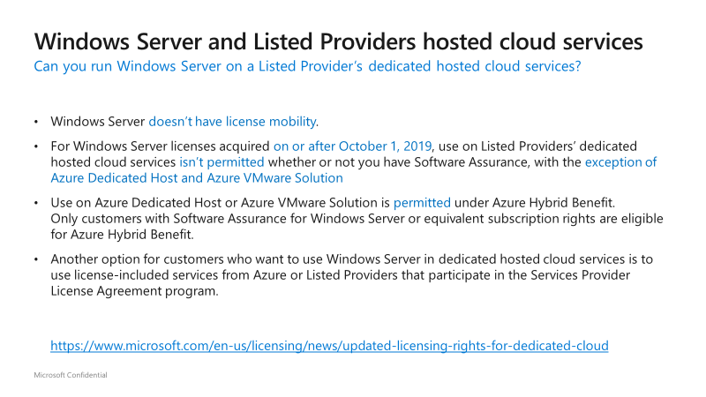

 | SQL Server Licensing Guide

Pivot Windows VMs
If after a refresh (new import) the grouping for 1-8 & 9-16 cores per VM is broken, please select A8, and bring back the grouping numbers as showed in the screenshot!
If left table is completely empty, verify if column header containing OS details is called "OS according to configuration file"
Powerstate | (All)
Template | (All)
Memory | (All)
Provisioned MiB | (All)
In Use MiB | (All)

vCPU Ranges and Operating Systems | Count of VM | Sum of CPUs | Sum of Memory (GB)
4 | 52 | 208 | 1186
Microsoft Windows Server 2016 or later (64-bit) | 46 | 184 | 986
Microsoft Windows Server 2012 (64-bit) | 2 | 8 | 112
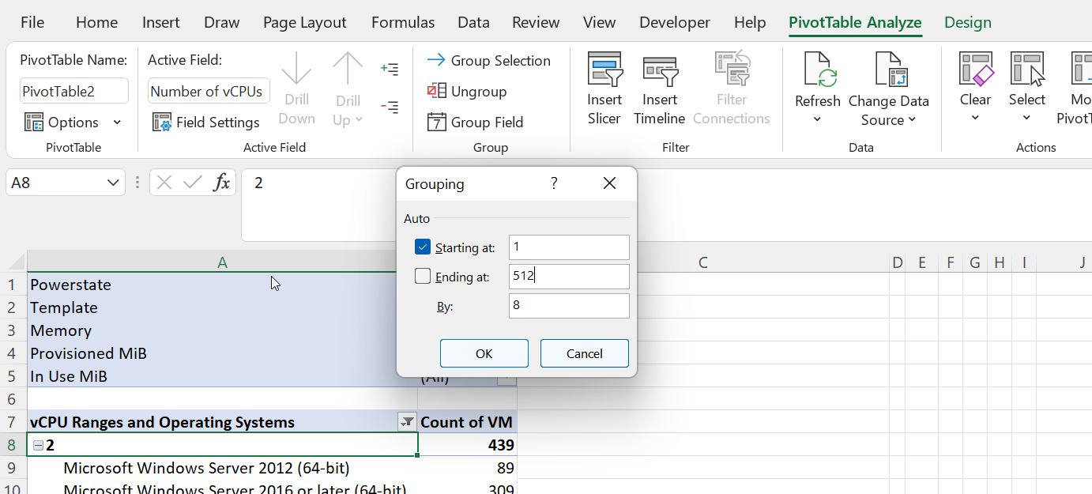
Microsoft Windows Server 2008 R2 (64-bit) | 4 | 16 | 88
1 | 5 | 5 | 28
Microsoft Windows Server 2016 or later (64-bit) | 2 | 2 | 16
Microsoft Windows Server 2012 (64-bit) | 2 | 2 | 8
Microsoft Windows Server 2008 R2 (64-bit) | 1 | 1 | 4
8 | 16 | 128 | 746
Microsoft Windows Server 2016 or later (64-bit) | 11 | 88 | 436
Microsoft Windows Server 2012 (64-bit) | 4 | 32 | 190
Microsoft Windows Server 2008 R2 (64-bit) | 1 | 8 | 120
2 | 104 | 208 | 925
Microsoft Windows Server 2016 or later (64-bit) | 65 | 130 | 591
Microsoft Windows Server 2012 (64-bit) | 24 | 48 | 203
Microsoft Windows Server 2008 R2 (64-bit) | 15 | 30 | 131
16 | 1 | 16 | 256
Microsoft Windows Server 2016 or later (64-bit) | 1 | 16 | 256
6 | 4 | 24 | 170
Microsoft Windows Server 2016 or later (64-bit) | 1 | 6 | 26
Microsoft Windows Server 2012 (64-bit) | 3 | 18 | 144
3 | 3 | 9 | 72
Microsoft Windows Server 2016 or later (64-bit) | 2 | 6 | 48
Microsoft Windows Server 2012 (64-bit) | 1 | 3 | 24
12 | 2 | 24 | 192
Microsoft Windows Server 2016 or later (64-bit) | 2 | 24 | 192
Grand Total | 187 | 622 | 3575

